Sheet1
ABC ENGINEERING |  | THIS SPREADSHEET IS ONLY PRETENDING TO BE A STRUCTURAL ENGINEERING SPREADSHEET. DO NOT USE THIS SPREADSHEET FOR ACTUAL DESIGN. IT IS ONLY USED TO SIMULATE AN ACTUAL DESIGN SPREADSHEET FOR PfSE WORKBOOK_08. THERE ARE SEVERAL THINGS LEFT UNCHECKED AND THE STRUT AND TIE MODEL IS NOT RIGOROUS.
Project ID: |  | 1232323
Date: |  | 2021-05-21
Designer: |  | CMF
Basic Concrete Pad Footing Design
INPUT CELLS
P_DL | = | Column Dead Load | = | 600 | kN
P_LL | = | Column Live Load | = | 500 | kN | Simplified Strut and Tie Model for Deep Footings
Q_r | = | Factored Soil Bearing Pressure Capacity | = | 400 | kPa
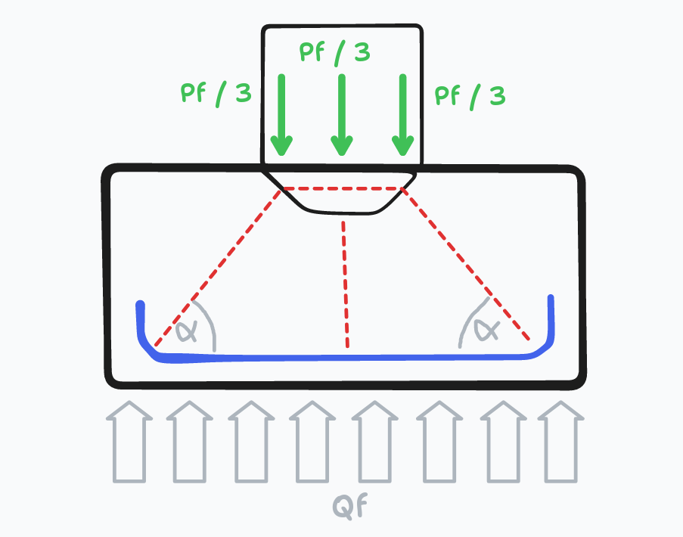
f’c | = | Concrete compressive strength | = | 50 | Mpa
fy | = | Reinforcing steel yield strength | = | 400 | Mpa
gamma_c | = | Density of concrete | = | 24.5 | kN/m3
cover | = | Cover to bottom layer of reinforcing steel | = | 75 | mm
d_ftg | = | Depth of footing | = | 950 | mm
L_col | = | Length (x) dimension of column | = | 400 | mm
B_col | = | Depth (y) dimension of column | = | 400 | mm

P_f | = | Factored Column Load | = | 1500 | kN
q_f_sw | = | Factored self-weight of footing | = | 29.1 | kPa
A_ftg_min | = | Minimum Area of Footing, Total Load | = | 4044149 | mm2
b_ftg_suggested | = | Suggested square edge of footing | = | 2011 | mm

L_ftg_select | = | Length (x) dimension of footing | = | 3500 | mm
b_ftg_select | = | Depth (y) dimension of footing | = | 3500 | mm
A_ftg_select | = | Area of footing | = | 12250000 | mm
Q_f | = | Factored pressure load | = | 151.5 | kPa
CHECK SOIL PRESSURE | = | DCR → Q_f / Q_r | = | 37.9% | OK

Check Analysis Type
d_eff | = | Effective depth of concrete (estimated) | = | 865 | mm
L_critical | = | MAX((L_ftg_select – L_col)/2, (b_ftg_select – B_col)/2)) | = | 1550 | mm
b_critical | = | MIN((L_ftg_select – L_col)/2, (b_ftg_select – B_col)/2)) | = | 1550 | mm
Deep Member, L dim? | = | L_critical / d_ftg > 2 → Deep footing, flexural assumption does not apply | = | 1.632 | DEEP FOOTING, L DIM
Deep Member, b dim? | = | B_critical / d_ftg > 2 → Deep footing, flexural assumption does not apply |  | 1.632 | DEEP FOOTING, B DIM

Check One Way Shear
b_w | = | MIN(L_ftg_select, b_ftg_select) | = | 3500
d_v | = | Min(0.72 * d_ftg, 0.9 * d_eff) | = | 684 | mm
min_critical | = | MIN(L_critical, b_critical) | = | 1550
CHECK_BETA | = | min_critical < 3 * d_eff | = | TRUE
beta | = | IF(CHECK_BETA, 0.21, 230 / (1000 + d_v)) | = | 0.210
V_c | = | 0.65 * beta * sqrt(f’c) * min(L_ftg_select, b_ftg_select) * d_v | = | 2310.7 | kN
CHECK SHEAR |  | DCR → V_f / V_c | = | 64.9% | OK

Flexural Reinforcement, Shallow Reinforcement
M_f_critical | = | Q_f * L_critical ^ 2 * b_critical / 2 | = | 282.2 | KN-m
alpha | = | 0.85 – 0.0015 * fc | = | 0.78
As_flex | = | (0.65 * alpha) / (0.85 * fy) * f’c * b_critical * (d – sqrt(d^2 – (3.85 * M_f_critical) / (f’c * b_critical) | = | 935 | mm2
As_min | = | 0.002 * b_critical * d_ftg | = | 2945 | mm2
As_req | = | MAX(As_flex, As_min) | = | 2945 | mm2
N_bars_20M | = | Number of 20M bars to provide in each direction | = | 10

Strut and Tie, L Dimension
alpha_L | = | arctan((d_eff – L_col/4) / (L_critical – cover)) | = | 27.4 | Degrees
P_strut | = | (P_f / 3) / sin(alpha_L) | = | 1086.0 | kN
T_Tie_L | = | P_strut * cos(alpha_L) | = | 964.1 | kN
As_S&T_L | = | T_Tie_L / (0.85 * fy) | = | 2835.4 | mm2
N_bars_20M, S&T_L | = | Number of hooked 20M bars in L dimension | = | 10
Strut and Tie, B Dimension
alpha_B | = | arctan((d_eff – B_col/4) / (B_critical – cover)) | = | 27.4 | Degrees
P_strut | = | (P_f / 3) / sin(alpha_L) | = | 1086.0 | kN
T_Tie_L | = | P_strut * cos(alpha_L) | = | 964.1 | kN
As_S&T_L | = | T_Tie_L / (0.85 * fy) | = | 2835.4 | mm2
N_bars_20M, S&T_B | = | Number of hooked 20M bars in B dimension | = | 10

Design Summary
Bars Long Direction (X) |  | Number of Bars in Long Direction | = | 10
Bars Width Direction (Y) |  | Number of Bars in Short Direction | = | 10
Bar Type Long Direction (X) |  |  | = | STRAIGHT
Bar Type Short Direction (Y) |  |  | = | STRAIGHT

 |  | USE 10-20M STRAIGHT BARS, LONG DIRECTION
 |  | USE 10-20M STRAIGHT BARS, WIDTH DIRECTION

